OIL FILTER
OIL FILTERS

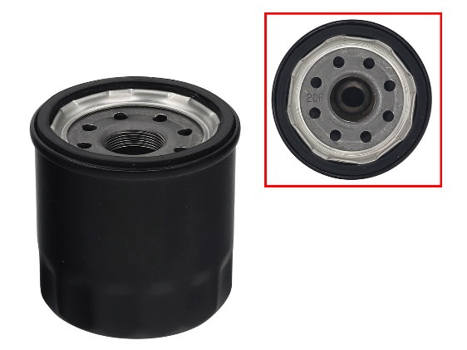

SM-07408
OEM# 2670-436
2670-440
3007-171
O.D.: 68MM
HEIGHT: 70.2MM
W/ O-RING(FLAT TYPE)
THREAD: M20 X P1.0

AT-07015
OEM# 5DM-13440-00, 3020-156
REF# SF-2006
O.D.: 68MM, HEIGHT: 52.5MM

APPLICATION | YEAR | APPLICATION | YEAR
ARCTIC CAT |  | ARCTIC CAT
BEARCAT 5000 XT | 2015 | BEARCAT 7000 XT | 2017
F 1100/TURBO | 2012-13 | M 7000 SNO PRO/LTD | 2014-16
JAGUAR Z1 1100 EFI | 2007-08 | M 9000 KING CAT | 2017-19
M 1100/TURBO | 2012-16 | PANTERA 7000 /LTD/XT | 2015-19
TZ1/TURBO/TOURING | 2008-14 | RIOT 9000 | 2023
XF 1100 | 2012-16 | XF 7000 (ALL) | 2014-18
Z1 1100 EFI | 2009-11 | XF 9000 (ALL) | 2017-19
Z1 BEARCAT XT | 2009-14 | ZR 7000 (ALL) | 2014-18
Z1 TURBO | 2009-11 | ZR 9000 (ALL) | 2017-23
ZR 5000 | 2014-17 | YAMAHA
ZR 9000 | 2014-16 | NYTRO/FX NYTRO (ALL) | 2006-14
 |  | PHAZER | 2012
 |  | PHAZER (ALL) | 2007-16
 |  | RAGE | 2006-07
 |  | RAGE GT | 2007
 |  | RS RAGE | 2005
 |  | RS VECTOR | 2005-18
AT-07184
OEM# 0436-001, 0436-146,
0812-005, 0812-029, 0812-034,
3201-155, 3402-155, 3436-021
REF# HF-621
O.D: 68.6(+/-0.2)MM, HEIGHT: 90.5MM
 |  | RS VENTURE | 2005-22
 |  | RS VIKING PRO | 2008-15
 |  | SIDEWINDER (ALL) | 2017-23
 |  | SR VIPER | 2015-23
 |  | VECTOR (ALL) | 2005-16
 |  | VK PRO | 2006-07
 |  | VK PRO II | 2006-20
 |  | VK PROFESSIONAL | 2017-22
APPLICATION | YEAR | * ALSO FITS ATV's , SCOOTERS AND MC,
ARCTIC CAT |  | PLEASE ASK FOR MORE DETAILS
BEARCAT 3000 | 2016-17
NORSEMAN 3000 | 2018-19
PANTERA 3000 | 2017-19
AT-07061
PAPER ELEMENT TYPE
OEM# 420956741
REF# 09-041
ZR 3000 | 2017-19
* ALSO FIT ATV’S / UTV’S. PLEASE INQUIRE FOR MORE DETAILS.

O.D. 56.3MM
HEIGHT: 108MM
ELEMENT TYPE
WITH O-RING

SM-07068
OEM# 3005-948
REF# 09-4 00
WITH O-RING

 |  | APPLICATION | YEAR
 |  | LYNX
 |  | 59 YETI | 2005
 |  | TOURING V-1000 | 2005
 |  | YETI V-1300 | 2006-08
APPLICATION | YEAR
ARCTIC CAT |  | SKI-DOO
BEARCAT 4-STROKE | 2003-08 | LEGEND V-1000 | 2003-05
FITS ALL 4-STROKE MODELS | 2002-03 | GRAND TOURING V-1000 | 2004-05
T660 | 2004-07 | * ALSO FITS BOMBARDIER & JOHN DEERE ATVS
*ALSO FIT UTV’S / MRN’S. PLEASE INQUIRE FOR MORE DETAILS. |  | AND SEA DOO PWC'S AND JETT BOATS

OIL FILTERS

SM-07163 CONTINUED

AT-07058-1
PAPER ELEMENT TYPE
OEM# 420256188
 |  | APPLICATION | YEAR
 |  | SKI-DOO
 |  | EXPEDITION LE/SE 1200 | 2012-19
 |  | EXPEDITION SE/LE 900 ACE TURBO | 2016-21
 |  | EXPEDITION SPORT 600 ACE | 2011-23
O.D. 56.2MM
HEIGHT: 74MM
ELEMENT TYPE
WITH O-RING
 |  | EXPEDITION SPORT 900 ACE | 2014-23
 |  | GRAND TOURING 1200 4-TEC | 2011-18
 |  | GRAND TOURING 900 ACE /TURBO | 2014-23
 |  | GRAND TOURING 900 ACE TURBO R | 2023
 |  | GRAND TOURING SPORT 600 ACE | 2011-23
 |  | GSX LE 900ACE | 2014
APPLICATION | YEAR | GSX LE/SE 1200 4TEC | 2014
LYNX |  | MXZ SPORT 600 ACE | 2011-18
ADVENTURE V-800 | 2007-08 | MXZ TNT 600 ACE | 2011-18
RANGER V-800 | 2008 | MXZ TNT 900 ACE | 2014-18
YETI PRO ARMY V-800 | 2009-12 | MXZ Z & TNT 1200 | 2012-18
YETI PRO V-800 | 2007-11 | RENEGADE ADREN/X 900 ACE/TURBO | 2014-23
YETI SUV V-800 | 2006-09 | RENEGADE SPORT 600 ACE | 2011-23
YETI V-800 | 2008 | RENEGADE/ADRENALINE 1200 | 2012-17
ADVENTURE V-800 | 2008 | SKANDIC 600 ACE LE | 2023
EXPEDITION SPORT V-800 | 2007-09 | SKANDIC 600R ETEC LE 20 INCH / 24 INCH | 2023
EXPEDITION TUV V-800 | 2007-08 | SKANDIC 900 ACE LE 20 INCH / 24 INCH | 2023
LEGEND TOURING V-800 | 2007-08 | SKANDIC 900 ACE SE 20 INCH / 24 INCH | 2023
LEGEND TRAIL V-800 | 2007 | SKANDIC WT/SWT 600 ACE | 2011-22
SKANDIC TUNDRA V-1000 | 2007-08 | SKANDIC WT/SWT 900 ACE | 2015-22
SKANDIC SWT V-800 | 2007-12 | TUNDRA LT/SPORT 600 ACE | 2011-23
*ALSO FITS BOMBARDIER ATVS |  | * ALSO FIT UTV’s / MC’s / WC’s.
 |  | PLEASE INQUIRE FOR MORE DETAILS.

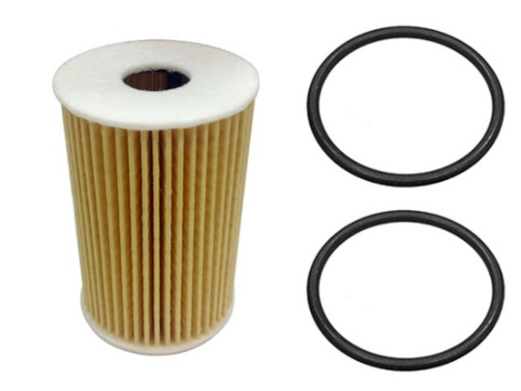

SM-07163
PAPER ELEMENT TYPE
OEM# 420956120
420956123
420956124

SM-07500
OEM# 0454822
0451848
O.D: 46.4MM
I.D.: 17MM
HEIGHT: 70MM
WITH 2 O-RINGS

O.D. 56.6MM, HEIGHT: 74MM
ELEMENT TYPE WITH O-RING

APPLICATION | YEAR
LYNX
49 RANGER 600 ACE | 2012-23 | APPLICATION | YEAR
49 RANGER 900 ACE | 2019-23 | POLARIS
59 RANGER 600 ACE | 2021-23 | 0.155" THICK ORING IS FOR THE WEBBER FST MOTOR.
59 YETI 600 ACE | 2011-22 | FST CLASSIC | 2006
69 RANGER 1200/900ACE | 2013-23 | FST IQ TOURING | 2007-10
69 YETI 600 ACE | 2012-20 | FST/IQ CRUISER | 2007-08
69 YETI 900 ACE | 2015 | FST/IQ SWITCHBACK | 2006-07
ADVENTURE 600 ACE | 2011-23 | FST IQ/LX | 2007
ADVENTURE GT 1200 4-TEC | 2010-15 | IQ TURBO DRAGON | 2008-10
COMMANDER 900 ACE | 2020-23 | IQ TURBO LXT | 2013-14
RAVE 600 ACE | 2012-17 | TURBO IQ | 2009-12
XTRIM 600 ACE | 2012-22 | TURBO LX | 2010
XTRIM SC 900 ACE | 2014-20 | TURBO SWITCHBACK | 2008-09

SKI-DOO |  | 0.136" THICK ORING IS FOR THE WEBBER FS MOTOR.
EXPEDITION 600R E-TEC LE 20 INCH / 24 INCH | 2023 | FS WIDETRAK IQ/INTL | 2010-13
EXPEDITION 900 ACE LE 20 INCH / 24 INCH | 2023 | FS CLASSIC/TOURING | 2006
EXPEDITION 900 ACE TURBO LE 20 INCH / 24 INCH | 2023 | FS IQ TOURING | 2007-09
EXPEDITION 900 ACE TURBO R LE 20 INCH / 24 INCH | 2023 | IQ WIDETRAK/EURO | 2009

OIL FILTERS

SM-07290 CONTINUED

 |  | APPLICATION | YEAR
 |  | POLARIS
 |  | 800 PRO RMK AXYS ALL | 2016-20
AT-07063
OEM# 2540006, 2540086
REF# KN-196
HEIGHT: 88MM, OD: 66MM
WITH O-RING
 |  | 800 RMK ASSAULT | 2016
 |  | 800 RMK ASSAULT | 2019
 |  | 800 RMK ASSAULT AXYS | 2017-18
 |  | 800 RMK KHAOS | 2020
 |  | 800 RUSH PRO S ALL | 2015-20
 |  | 800 RUSH PRO X ALL | 2015-18
 |  | 800 RUSH XCR | 2017-18
 |  | 800 SKS | 2020
APPLICATION | YEAR | 800 SKS AXYS ALL | 2016-20
POLARIS |  | 800 SWITCHBACK ADVENTURE | 2016-19
FRONTIER CLASSIC | 2004 | 800 SWITCHBACK ASSAULT | 2017-20
FRONTIER CLASSIC | 2003 | 800 SWITCHBACK PRO S ALL | 2015-20
FRONTIER TOURING | 2003-05 | 800 SWITCHBACK PRO X | 2015-18
INDY FRONTIER | 2002 | 800 SWITCHBACK XCR | 2018-20
* FITS MAY OTHER MACHINES (ATV, UTV, MC) |  | 800 TITAN SP/ADVENTURE/XC ALL | 2018-23
* SM-07073 USE AT-07063 |  | 850 INDY ADVENTURE | 2020
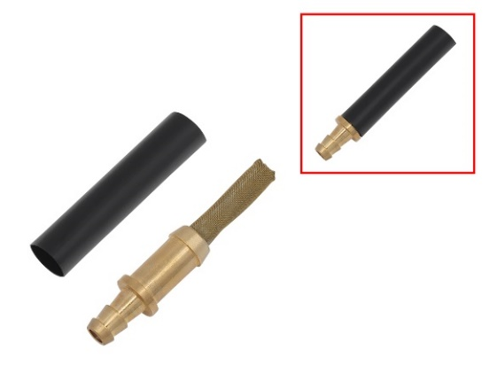
 |  | 850 INDY ADVENTURE MATRYX | 2022-23
 |  | 850 INDY VR1 MATRYX | 2021-24
 |  | 850 INDY XC AXYS | 2019-20
 |  | 850 INDY XC MATRYX | 2021-24
 |  | 850 INDY XCR AXYS | 2020-21
 |  | 850 INDY XCR MATRYX | 2022-24
SM-07290
OEM# 7052593
1/4" STRIGHT FITTING, B
ODY OD:12.7/ 10.2MM,
L:37.2MM
W/ FILTER L:27MM
 |  | 850 PRO RMK AXYS ALL | 2019-21
 |  | 850 RMK KHAOS AXYS | 2020-22
 |  | 850 RMK KHAOS MATRYX / SLASH | 2022-24
 |  | 850 RMK PRO MATRYX / SLASH | 2022-24
 |  | 850 RUSH PRO-S SC SELECT (R01) | 2019-20
 |  | 850 RUSH XCR | 2019
 |  | 850 SKS AXYS | 2019-21
APPLICATION | YEAR | 850 SWITCHBACK ASSAULT AXYS | 2019-21
POLARIS |  | 850 SWITCHBACK ASSAULT MATRYX | 2021-24
600 INDY ADVENTURE | 2020-22 | 850 SWITCHBACK PRO-S | 2019-20
600 INDY SP | 2019-22 | 850 SWITCHBACK XC MATRYX | 2022-24
600 INDY XC/XCR | 2019-22 | 850 SWITCHBACK XC/XCR | 2019-23
600 PRO RMK AXYS ALL | 2016-21 | PATRIOT 9R RMK KHAOS MATRYX 146/155/163/165 SLASH | 2023
600 RMK 144 | 2017-22 | PATRIOT 9R RMK PRO MATRYX 155/163/165 SLASH | 2023
600 RUSH PRO S ALL | 2015-20 | PATRIOT BOOST INDY VR1 MATRYX 129/137 | 2023
600 RUSH PRO-X INTL | 2015-16 | PATRIOT BOOST RMK KHAOS MATRYX SLASH | 2022-23
600 RUSH XCR | 2017-19 | PATRIOT BOOST RMK PRO MATRYX SLASH | 2022-23
600 SWITCHBACK ADVENTURE | 2015-19 | PATRIOT BOOST SWITCHBACK ASSAULT 146 | 2023
600 SWITCHBACK ASSAULT | 2017-20
600 SWITCHBACK ASSAULT AXYS | 2021
600 SWITCHBACK PRO S ALL | 2015-20
600 SWITCHBACK PRO X | 2015-17
600 SWITCHBACK SP | 2017-19
600 SWITCHBACK XCR | 2018-21
600 VOYAGEUR | 2017-21
650 INDY ADVENTURE MATRYX | 2022-24
AT-07067
OEM# 5GH-13440-20-00,
5GH-13440-50-00,
16097-1068, 16097-1072
650 INDY VR1 MATRYX | 2021-24
650 INDY XC MATRYX | 2021-24
650 NORDICPRO MATRYX | 2022-23
650 RMK KHAOS MATRYX SLASH | 2022-23
650 RMK PRO MATRYX | 2022-24
650 SKS 146/INTL | 2023-24 | APPLICATION | YEAR
650 SWITCHBACK ASSAULT MATRYX | 2021-24 | YAMAHA
650 SWITCHBACK SP 146 ES | 2023-24 | APEX (ALL) | 2006-17
650 SWITCHBACK XC 146 ES | 2022-24 | ATTAK | 2006-07
650 VOYAGEUR MATRYX | 2022-24 | RX10TRW | 2007
800 INDY 129 XCR | 2020 | * ALSO FITS ATV`s , SCOOTERS, PWC AND MC
800 INDY ADVENTURE | 2020 | INCLUDING KAWASAKI APPS
800 INDY XC | 2019-20 | * PLEASE CONTACT US FOR MORE INFORMATION

OIL FILTERS

IN LINE OIL FILTERS

20-006 (STANDARD)
20-006M (MAGNETIC)
OEM#
3FV-13440-10, 5410-MM9-003,
5GH-13440-00, 5GH-13410-00
REF# 10-82230
M20 X P1.5, SPIN-ON

07-702
FITS 7/32" & 1/4" LINE

APPLICATION | YEAR | APPLICATION
YAMAHA |  | LYNX / SKI-DOO
RX-1, ER | 2003-04 | USED ON MANY 1987-11 OIL INJECTION EQUIPPED SNOWMOBILES.
RX-1 LE/ER LE | 2003-04 | REPLACES OEM# 414-5365-00
RX-1 | 2003-05
RX-1 MTN | 2003-05
RX-1 MTN LE | 2003-05
RX-1 ER | 2003-05
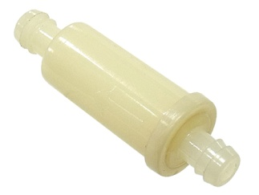
RX-1 ER LE | 2003-05
RX-1 LE | 2003-04
RX WARRIOR | 2004-05
RX WARRIOR LE | 2004-05
* ALSO FITS ATV`s, MOTORCYCLES AND MARINE.
PLEASE CONTACT US FOR MORE INFORMATION

07-246-05
FITS 1/4" LINE

 |  | APPLICATION
 |  | POLARIS
 |  | FITS MANY ATV & SNOW 1985-2013
 |  | REPLACES OEM# 2530009 / 2630009 / 0451089 / 0450365

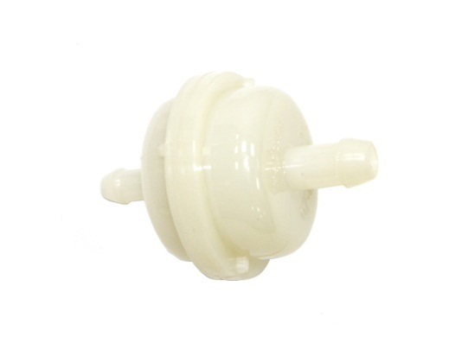

07-246-02
SIDE A: FITS 5/16" LINE
SIDE B: FITS 1/4" LINE

 |  | APPLICATION
 |  | YAMAHA
 |  | USED ON MANY 1974-06 OIL INJECTION SNOWMOBILES.
 |  | REPLACES OEM# 2859-13410-00, J10-13410-00, 8G8-123410-00

